Fresh_v_control
Cluster ID | Annotation | UMAP
13 | Dendritic cells | fresh/cultured combined (n=6)
3,7 | Fibroblasts | fresh/cultured combined (n=6)
1,4,5,12 | Keratinocytes | fresh/cultured combined (n=6)
10 | Lymphatic endothelial | fresh/cultured combined (n=6)
9 | Macrophages | fresh/cultured combined (n=6)
16 | Mast cells | fresh/cultured combined (n=6)
15 | Melanocytes | fresh/cultured combined (n=6)
8 | Pericytes/VSMC | fresh/cultured combined (n=6)
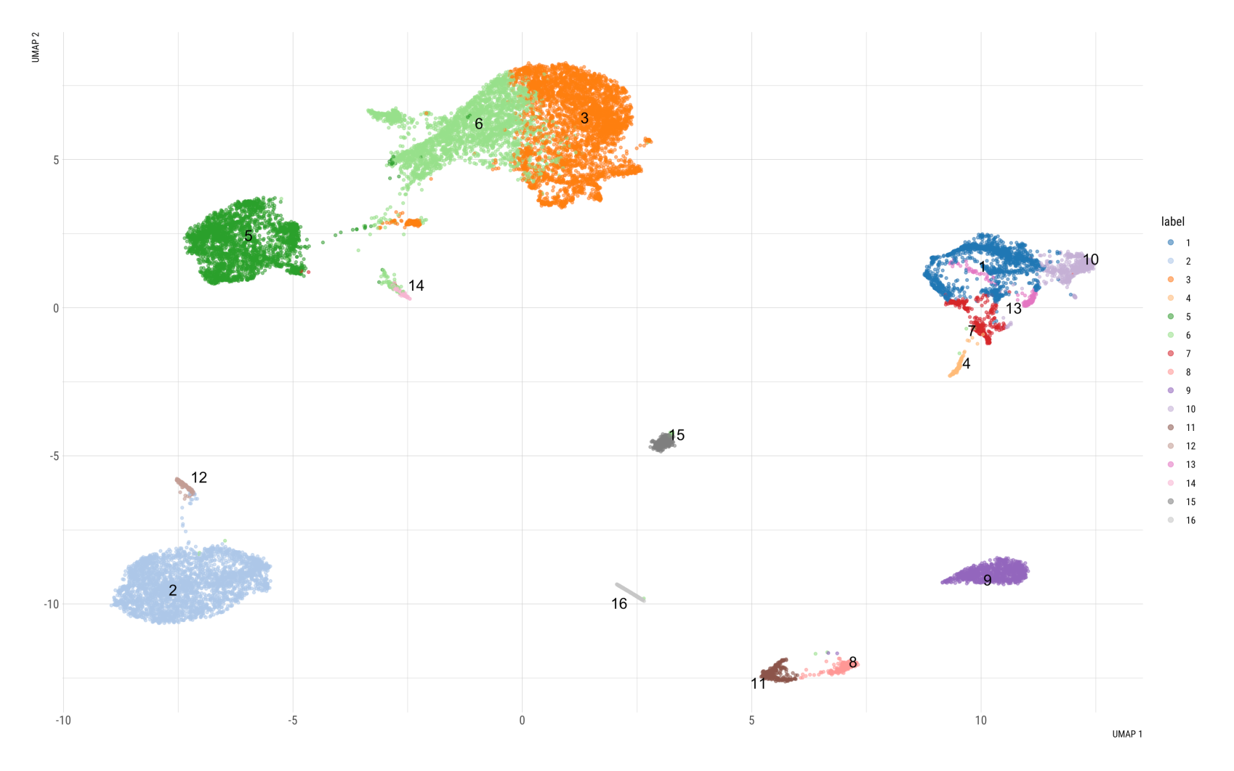
14 | Schwann cells | fresh/cultured combined (n=6)
6 | Sweat gland cells | fresh/cultured combined (n=6)
11 | T cells | fresh/cultured combined (n=6)
2 | Vascular endothelial | fresh/cultured combined (n=6)

NEW
Cluster ID | Annotation
8 | Dendritic cells
3 | Fibroblasts
6 | Fibroblasts
1 | Keratinocytes
7 | Keratinocytes
10 | Keratinocytes
13 | Keratinocytes
12 | Lymphatic endothelial
11 | Macrophages
16 | Mast cells
15 | Melanocytes
5 | Pericytes/VSMC
14 | Schwann cells
4 | Sweat gland cells
9 | T cells
2 | Vascular endothelial

Fresh_mixed
Cluster ID | Annotation | UMAP
1 | Vascular endothelial | fresh samples combined (n=2)
2 | Macrophages/DC | fresh samples combined (n=2)
3 | Pericytes/VSMC | fresh samples combined (n=2)
4 | Fibroblasts | fresh samples combined (n=2)
5,6 | Keratinocytes | fresh samples combined (n=2)
8 | T cells | fresh samples combined (n=2)
7 | Lymphatic endothelial | fresh samples combined (n=2)
9 | Mast cells | fresh samples combined (n=2)
add manually | Melanocytes/Schwann cells | fresh samples combined (n=2)
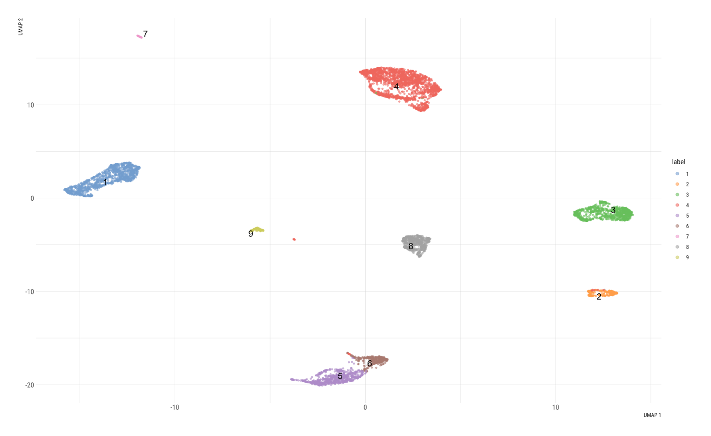

NEW

Cluster ID | Annotation
1 | Vascular endothelial
2 | Macrophages/DC
3 | Pericytes/VSMC
4 | Fibroblasts
5 | Keratinocytes
6 | Keratinocytes
8 | T cells
7 | Lymphatic endothelial
9 | Mast cells
MANUALLY AS BEFORE | Melanocytes/Schwann cells

Heatmap organization fresh samples
Fibroblasts | Pericytes | Vascular endothelial | Lymphatic endothelial | Keratinocytes | T cells | Macrophages/DC | Mast cells | Melanocytes | Schwann cells
 |  |  |  |  |  |  |  |  |  | DCN
 |  |  |  |  |  |  |  |  |  | COL1A1
 |  |  |  |  |  |  |  |  |  | COL6A1
 |  |  |  |  |  |  |  |  |  | TAGLN
 |  |  |  |  |  |  |  |  |  | ACTA2
 |  |  |  |  |  |  |  |  |  | RGS5
 |  |  |  |  |  |  |  |  |  | PECAM1
 |  |  |  |  |  |  |  |  |  | VWF
 |  |  |  |  |  |  |  |  |  | CLDN5
 |  |  |  |  |  |  |  |  |  | FABP4
 |  |  |  |  |  |  |  |  |  | LYVE1
 |  |  |  |  |  |  |  |  |  | CCL21
 |  |  |  |  |  |  |  |  |  | KRT5
 |  |  |  |  |  |  |  |  |  | KRT10
 |  |  |  |  |  |  |  |  |  | KRT15
 |  |  |  |  |  |  |  |  |  | IL7R
 |  |  |  |  |  |  |  |  |  | CD3D
 |  |  |  |  |  |  |  |  |  | CXCR4
 |  |  |  |  |  |  |  |  |  | LYZ
 |  |  |  |  |  |  |  |  |  | HLA-DR
 |  |  |  |  |  |  |  |  |  | CXCL8
 |  |  |  |  |  |  |  |  |  | TPSB2
 |  |  |  |  |  |  |  |  |  | TPSAB1
 |  |  |  |  |  |  |  |  |  | CTSG
 |  |  |  |  |  |  |  |  |  | PMEL
 |  |  |  |  |  |  |  |  |  | DCT
 |  |  |  |  |  |  |  |  |  | MLANA
 |  |  |  |  |  |  |  |  |  | CDH19
 |  |  |  |  |  |  |  |  |  | CRYAB
 |  |  |  |  |  |  |  |  |  | ITGB8

